FORM 1
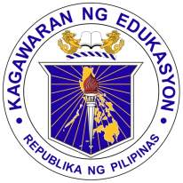
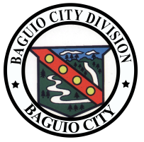
Republic of the Philippines
Department of Education
Cordillera Administrative Region
DOVISION OF BAGUIO CITY
ADOPT-A-SCHOOL PROGRAM
____ QUARTER REPORT
2016
A. LEARNING ENVIRONMENT
DONATIONS | PARTICULARS | QTY | AMOUNT | DONOR |  | DATE COMPLETED/TURN-OVER | SCHOOL
 |  |  |  | PRIVATE SECTOR | LGU
1.Classroom
> New Classroom
> Rehabilitation/Repair
*PLEASE INDICATE ADDITIONAL REPAIR

Miscellaneous

2. Furniture

3. Toilet and Wash Facilities

4. Maintenance

5. Real State
6.Others (Pls.Specify)

 | TOTAL AMOUNT |  | -

Prepared by: |  |  |  |  | Noted by:

